decision_tree
Input Data: 'Referenced Ultimate Oranges Matrix.xlsx' |  |  | Library: sklearn.tree.DecisionTreeRegressor |  | Analysis
Trials | Parameters(Full name) | Initial value | trial scope | Trend Line
Trial 1 | repeat the test with same parameter values | None | None | 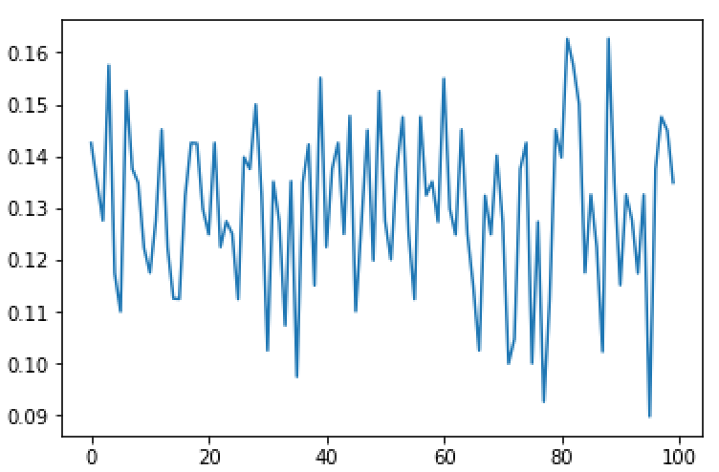 | Comparing with trial 1, only max_depth has a obvious impact on the model. However, the model keeps in a relatively high accuracy as long as the max_depth exceeds a threshold. Therefore, if max_depth is large enough (set the value as None), there is no key parameter required on the decision tree
Trial 2 | max_depth: The maximum depth of the tree. If None, then nodes are expanded until all leaves are pure or until all leaves contain less than min_samples_split samples. | None | np.arange(1, 100, 1) | 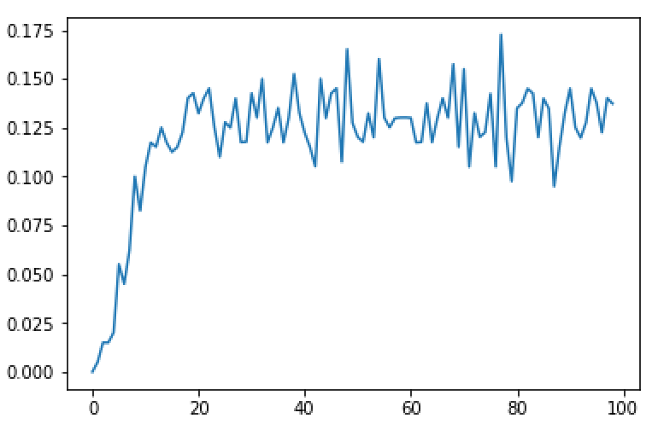
Trial 3 | min_samples_split: The minimum number of samples required to split an internal node | 2.00E+00 | np.arange(1, 1000, 1) | 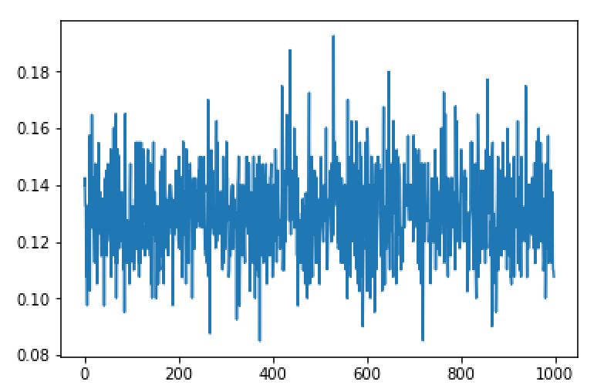
Trial 4 | min_samples_leaf: The minimum number of samples required to be at a leaf node | 1 | np.arange(1, 1000, 1) | 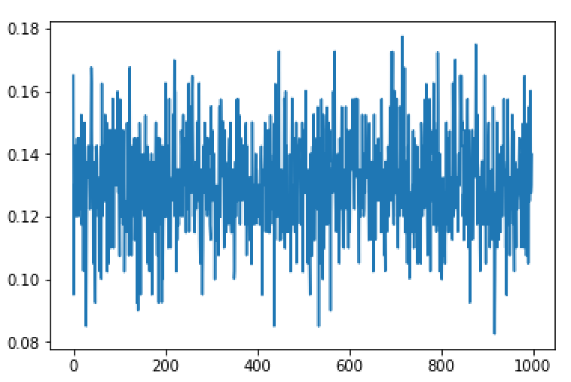

SVR_poly
Input Data: 'Referenced Ultimate Oranges Matrix.xlsx' |  |  | Library: sklearn.svm.SVR |  | Analysis
Trials | Parameters(Full name) | Initial value | trial scope | Trend Line
Trial 1 | repeat the test with same parameter values | None | None | 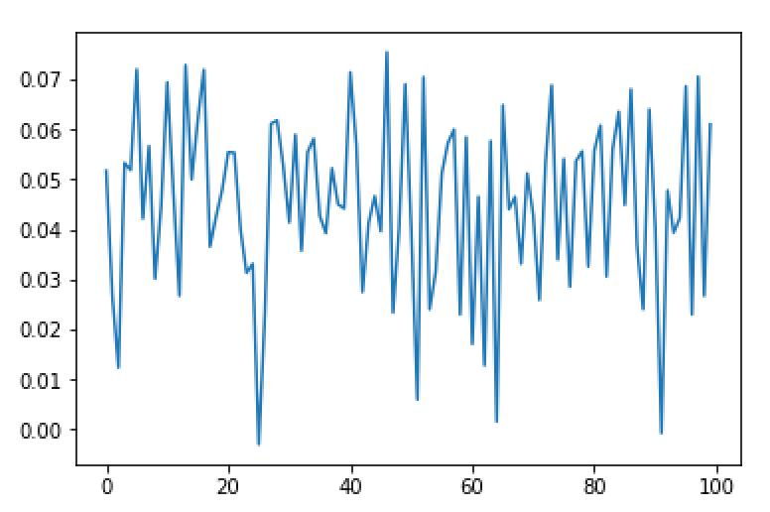 | Comparing with trial 1, all parameters show strong impact on the model. Therefore, c, gamma, coef0, degree and epsilon are key prameters in the SVR_poly model("poly" is the kernel type of SVR model).
Trial 2 | gamma: Kernel coefficient for ‘poly’ | auto/1/n_features | (1e-07, 1e-04, 1e-06) | 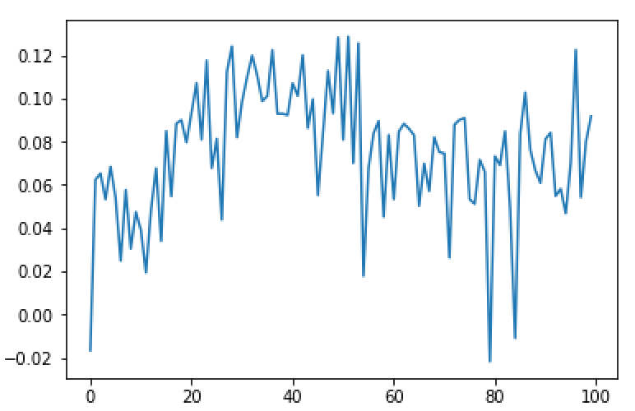
Trial 3 | c: Penalty parameter C of the error term. | 1.00E+00 | np.arange(1, 10000, 100) | 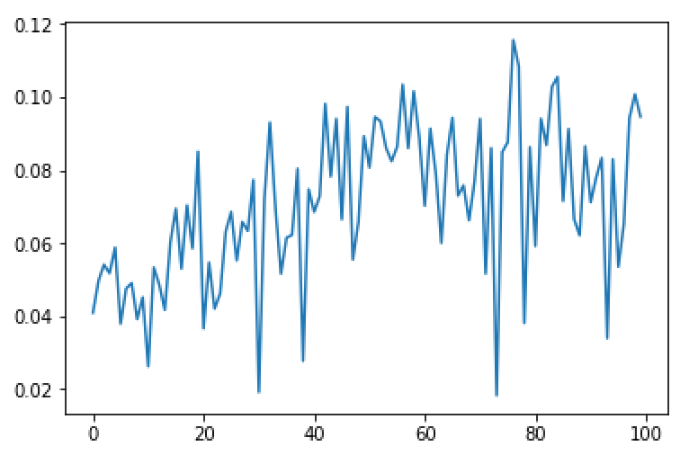
Trial 4 | epsilon: Epsilon in the epsilon-SVR model. It specifies the epsilon-tube within which no penalty is associated in the training loss function with points predicted within a distance epsilon from the actual value. | 0.1 | np.arange(1e-07, 10, 0.1) | 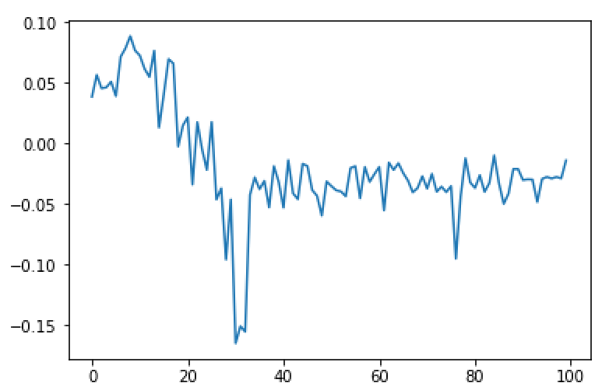
Trial 5 | degree: Degree of the polynomial kernel function | 3 | np.arange(1, 20, 1) | 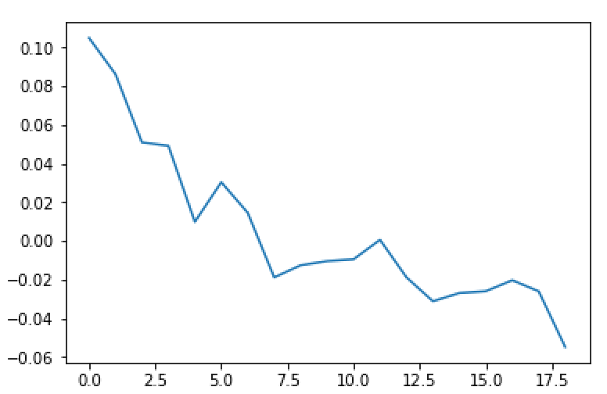
Trial 6 | coef0: Independent term in kernel function | 0 | np.arange((0, 10, 0.01)) | 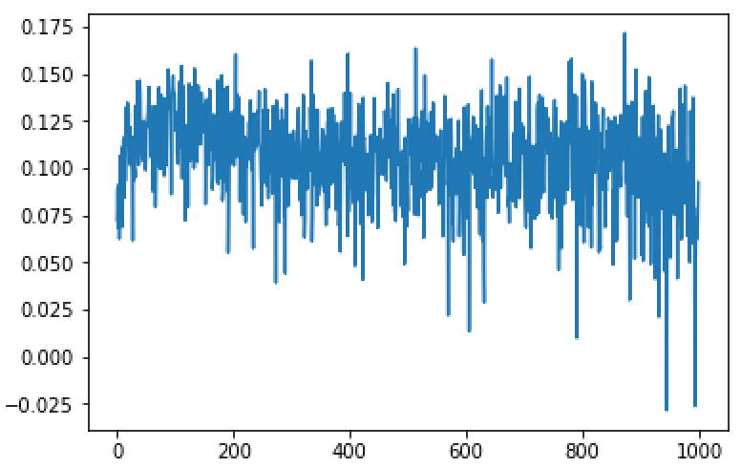

SVR_rbf
Input Data: 'Referenced Ultimate Oranges Matrix.xlsx' |  |  | Library: sklearn.svm.SVR |  | Analysis
Trials | Parameters(Full name) | Initial value | trial scope | Trend Line
Trial 1 | repeat the test with same parameter values | None | None | 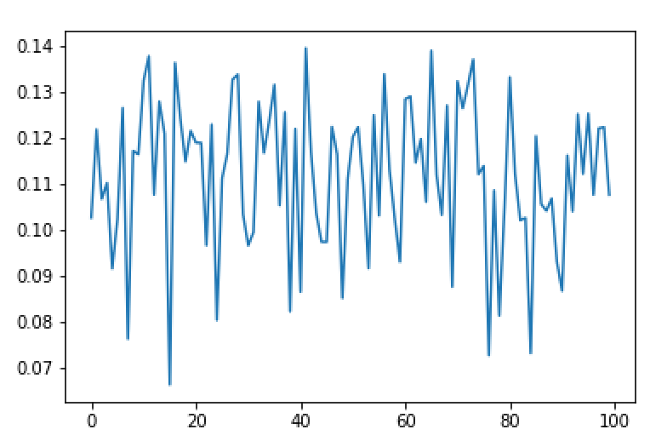 | In trial 1, the accuracy varies between 0.14 to 0.075. Refer to the trial 1, we found gamma is able to improve the accuracy in a specific range. The graph of epsilon clearly show a completely different pattern to the trial 1. As for the parameter C, we can found that its value does not really impact the model accuracy after around C = 500. Therefore, as long as we set C to a large value, gamma and epsilon are key prameters in the SVR_rbf model("rbf" is the kernel type of SVR model).
Trial 2 | gamma: Kernel coefficient for ‘rbf’ | auto/1/n_features | np.arange(1e-07, 1e-04, 1e-07) | 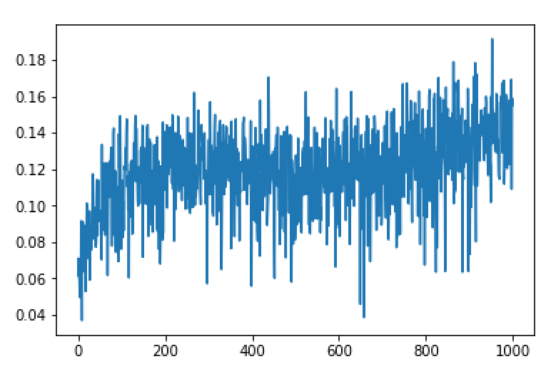
Trial 3 | c: Penalty parameter C of the error term. | 1.00E+00 | np.arange(1, 10000, 100) | 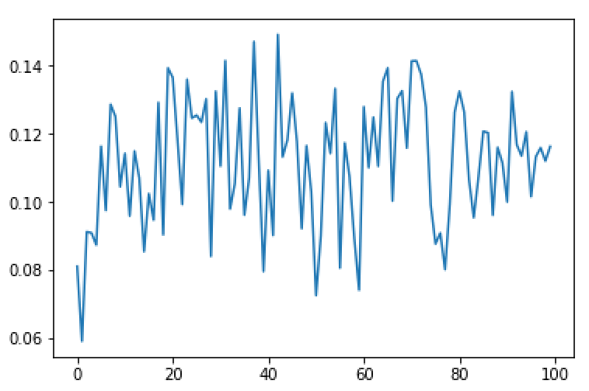
Trial 4 | epsilon: Epsilon in the epsilon-SVR model. It specifies the epsilon-tube within which no penalty is associated in the training loss function with points predicted within a distance epsilon from the actual value. | 0.1 | np.arange(1e-07, 10, 0.1) | 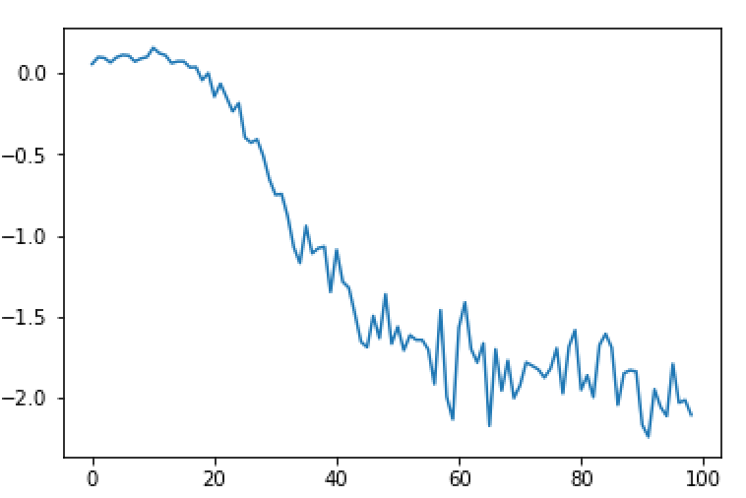

SVR_sigmoid
Input Data: 'Referenced Ultimate Oranges Matrix.xlsx' |  |  | Library: sklearn.svm.SVR |  | Analysis
Trials | Parameters(Full name) | Initial value | trial scope | Trend Line
Trial 1 | repeat the test with same parameter values | None | None | 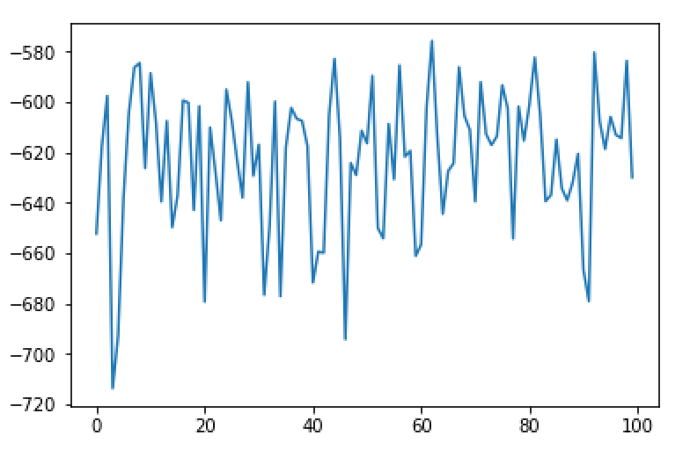 | The negative accuracy indicates that sigmoid SVR is not adaptable in this project. We tried to adjust the parameter values, but the accuracy was always negative.

PLS
Input Data: 'Referenced Ultimate Oranges Matrix.xlsx' |  |  | Library: sklearn.cross_decomposition.PLSRegression |  | Analysis
Trials | Parameters(Full name) | Initial value | trial scope | Trend Line
Trial 1 | repeat the test with same parameter values | None | None | 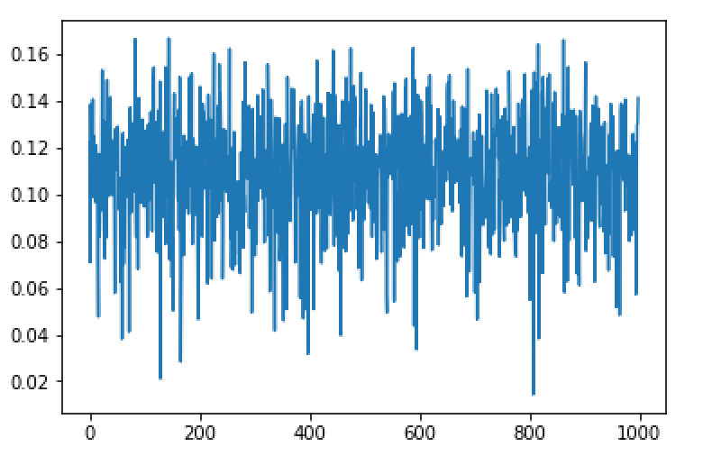 | In the trial 1, all parameters are set in the initial values. After running 1000 times under identical parameters, it is obvious that PLS regression has a high variation itself. The accuracy is changed between the range 0.02 to 0.16. In the trial 2 and trial 3, even though we changed the value parameters, PLS produced similar patterns. In contrast, n_components shows strong impact on the model. Therefore, only n_components is the key prameter.
Trial 2 | max_iter: the maximum number of iterations of the NIPALS inner loop | 500 | np.arange(1, 10000, 10) | 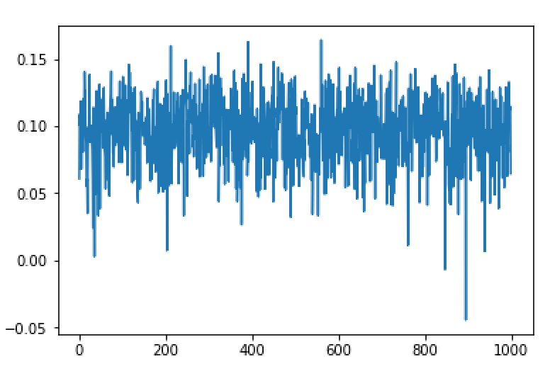
Trial 3 | tol: Tolerance used in the iterative algorithm default 1e-06. | 1.00E-06 | np.arange(1e-07, 1000, 1) | 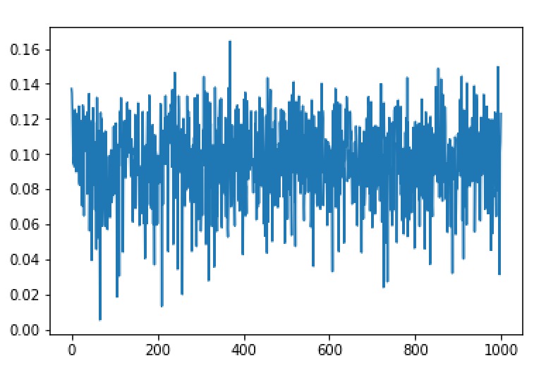
Trial 4 | n_components: Number of components to keep | 2 | np.arange(1, 100, 1)

Moving_average_smoothing
Input Data: 'Referenced Ultimate Oranges Matrix.xlsx' |  |  | Library: pandas.rolling_mean |  | Analysis
Trials | Parameters(Full name) | Initial value | trial scope | Trend Line
Trial 1 | repeat the test with same parameter values | None | center = false. window = 15 | 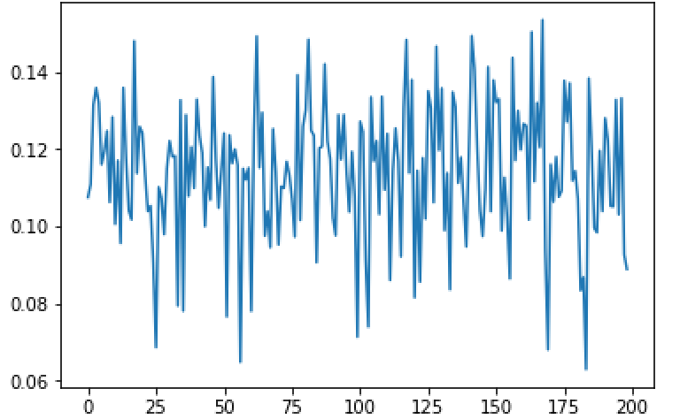 | Comparing with trial 1, the parameter, window, produced a different accuracy pattern, but center did not give a obvious change. Therefore, we set center in false and set window as a key parameter
Trial 2 | center: Set the labels at the center of the window. window : Size of the moving window. This is the number of observations used for calculating the statistic. | center = false | center = false. window = np.arange(1, 200, 1)
Trial 3 | center: Set the labels at the center of the window. window : Size of the moving window. This is the number of observations used for calculating the statistic. | center = false | center = true. window = np.arange(1, 200, 1) | 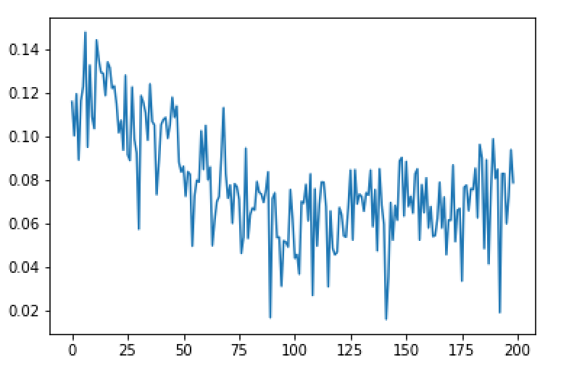

DCT
Input Data: 'Referenced Ultimate Oranges Matrix.xlsx' |  |  | Library: None |  | Analysis
Trials | Parameters(Full name) | Initial value | trial scope | Trend Line
Trial 1 | repeat the test with same parameter values | None | None | 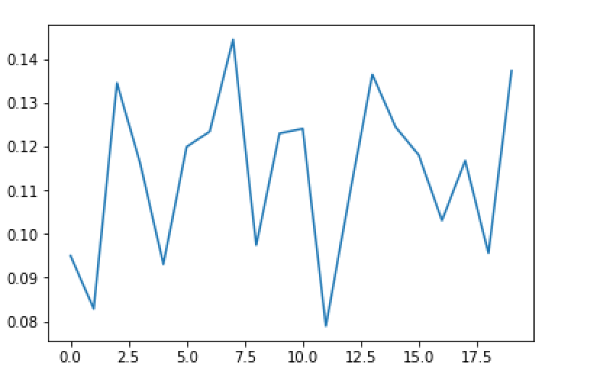 | Comparing with trial 1, it is obvious that "type" is a key parameter
Trial 2 | type : Type of the DCT (see Notes). Default type is 2. | type = 2 | type = 1 | 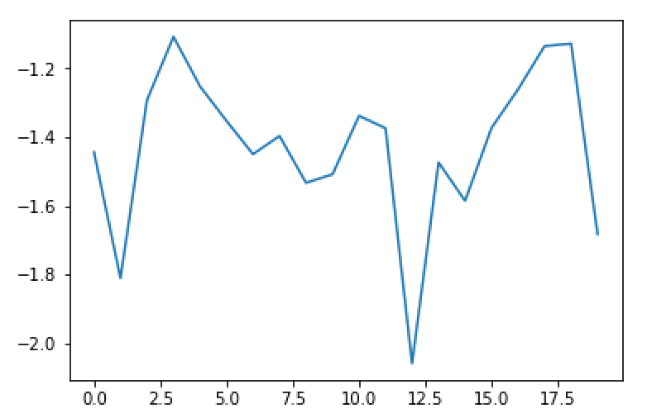
Trial 3 | type : Type of the DCT (see Notes). Default type is 2. | type = 2 | type = 2 | 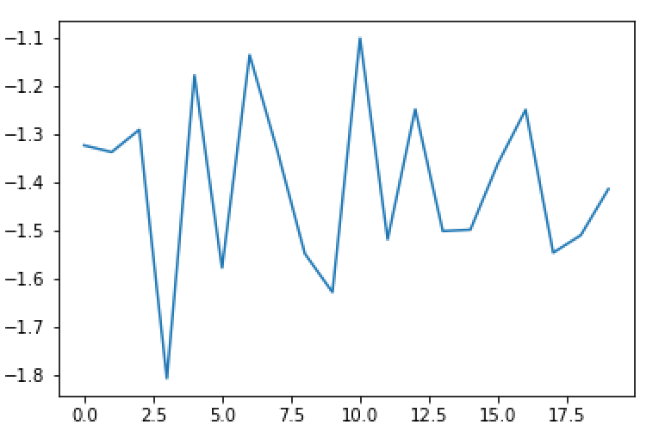
Trial 4 | type : Type of the DCT (see Notes). Default type is 2. | type = 2 | type = 3 | 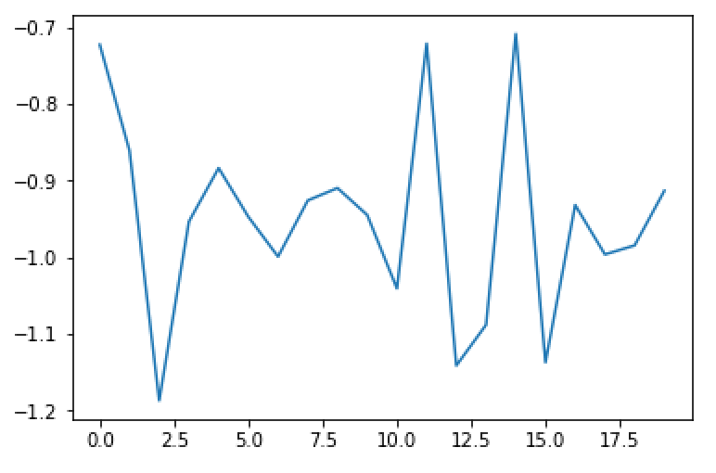

PCA
Input Data: 'Referenced Ultimate Oranges Matrix.xlsx' |  |  | Library: sklearn.decomposition.pca |  | Analysis
Trials | Parameters(Full name) | Initial value | trial scope | Trend Line
Trial 1 | repeat the test with same parameter values | None | None | 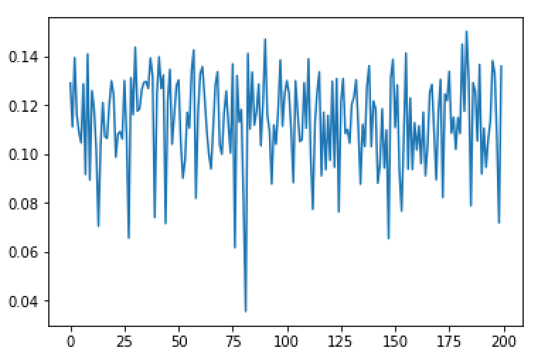 | Comparing with trial 1, the parameter, n_compoents, produced a different accuracy pattern. Therefore, we set set n_components as a key parameter
Trial 2 | n_components: Number of components to keep | Cumulative variance >= 0.95 | type = np.arange(1, 200, 1) | 